By Race
Central Texas HS Graduates Who Earn a Post-Secondary Credential Within 6 Years of Enrolling in a Texas College or University
Central Texas HS Graduates Who Earn a Post-Secondary Credential Within 6 Years of Enrolling in a Texas College or University
 | Class of 2003 (by 2009) | Class of 2004 (by 2010) | Class of 2005 (by 2011) | Class of 2006 (by 2012) | Class of 2007 (by 2013) | Class of 2008 (by 2014) | Class of 2009 (by 2015)
Asian | 69% | 63% | 61% | 70% | 64% | 69% | 69%
Black | 31% | 30% | 27% | 28% | 32% | 33% | 30%
Hispanic | 35% | 36% | 35% | 33% | 37% | 35% | 44%
Overall | 49% | 48% | 47% | 48% | 48% | 50% | 49%
White | 57% | 57% | 57% | 58% | 57% | 57% | 56%

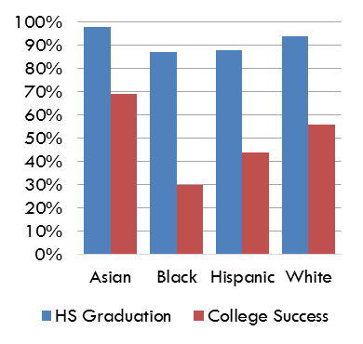
 | HS Graduation | College Success
Asian | 98% | 69%
Black | 87% | 30%
Hispanic | 88% | 44%
White | 94% | 56%

