Sheet1
% Unemployed by Disability Status
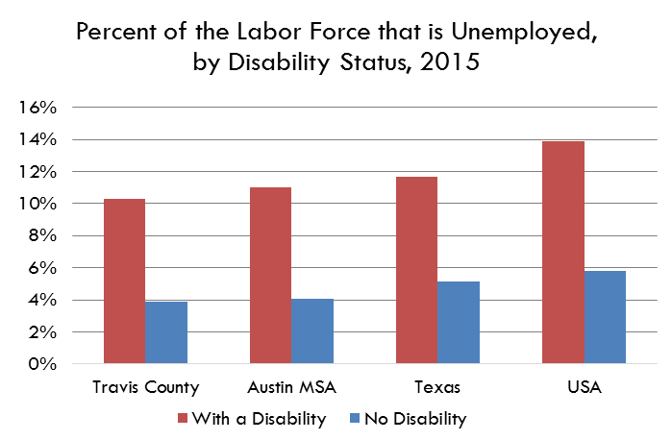
 |  |  | 2009 | 2010 | 2011 | 2012 | 2013 | 2014 | 2015

 | Travis County | With a Disability | 17.4% | 15.9% | 14.5% | 16.0% | 16.2% | 11.9% | 10.3%
 |  | No Disability | 7.0% | 7.8% | 7.8% | 6.4% | 5.4% | 4.0% | 3.9%

 | Austin MSA | With a Disability | 15.4% | 16.8% | 16.9% | 15.0% | 13.8% | 12.0% | 11.0%
 |  | No Disability | 7.4% | 7.7% | 7.7% | 6.5% | 5.7% | 4.3% | 4.0%

 | Texas | With a Disability | 14.3% | 15.9% | 16.7% | 15.5% | 14.4% | 12.8% | 11.7%
 |  | No Disability | 7.6% | 8.2% | 7.8% | 7.3% | 6.5% | 5.5% | 5.1%

 | USA | With a Disability | 18.0% | 20.2% | 20.1% | 18.62% | 17.3% | 15.4% | 13.9%
 |  | No Disability | 9.2% | 10.1% | 9.5% | 8.68% | 7.8% | 6.7% | 5.8%
All civilians 16 years old and over are classified as unemployed if they (1) were neither "at work" nor "with a job but not at work" during the reference week, and (2) were actively looking for work during the last 4 weeks, and (3) were available to accept a job. Also included as unemployed are civilians who did not work at all during the reference week, were waiting to be called back to a job from which they had been laid off, and were available for work except for temporary illness.

Data Source
 | American Community Survey, 1 Year Estimates - Detailed Tables
 |  | B18120 - Employment Status by Disability Status and Type

Sheet3
 | With a Disability | No Disability
Travis County | 10.3% | 3.9%
Austin MSA | 11.0% | 4.0%
Texas | 11.7% | 5.1%
USA | 13.9% | 5.8%

Percent of the Labor Force that is Unemployed, by Disability Status, 2015

