Estimates
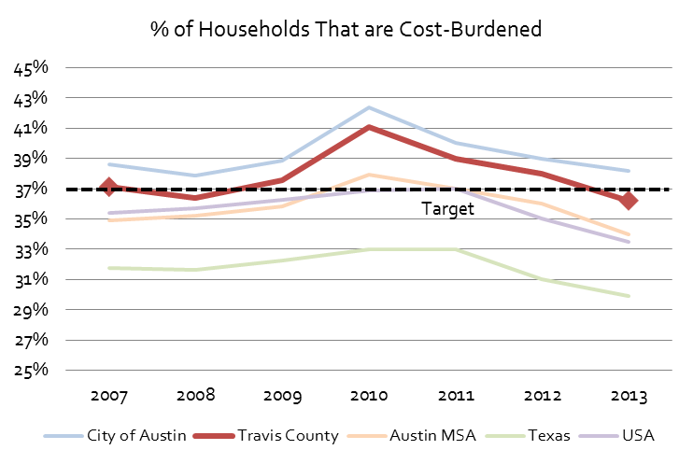
Percent of Households that Pay More than 30% of Income for Housing
Percent of Households that Pay More than 30% of Income for Housing
% of Households that are Cost-Burdened
 | 2007 | 2008 | 2009 | 2010 | 2011 | 2012 | 2013 | 2014 | 2015 | 2016
City of Austin | 39% | 38% | 39% | 42% | 40% | 39% | 38% | 37% | 36% | 35%
Travis County | 37% | 36% | 38% | 41% | 39% | 38% | 36% | 36% | 36% | 34%
Austin MSA | 35% | 35% | 36% | 38% | 37% | 36% | 34% | 34% | 33% | 31%
Texas | 32% | 32% | 32% | 33% | 33% | 31% | 30% | 31% | 30% | 29%
Target 33% by 2020
USA | 35% | 36% | 36% | 37% | 37% | 35% | 33% | 33% | 32% | 31%

% of households where monthly rent (plus utility and/or housing fuel costs) or mortgage payments (or other housing debt costs) equal 30% of more of a household's monthly income
# of Households that are Cost-Burdened
 | 2007 | 2008 | 2009 | 2010 | 2011 | 2012 | 2013 | 2014 | 2015 | 2016
City of Austin | 117,555 | 119,051 | 123,098 | 136,970 | 132,579 | 129,769 | 133,230 | 134,813 | 131,816 | 232,902
Travis County | 142,658 | 143,542 | 149,594 | 165,820 | 158,980 | 156,944 | 155,341 | 159,548 | 158,563 | 153,544
Austin MSA | 203,644 | 212,453 | 220,054 | 245,458 | 246,302 | 238,678 | 233,886 | 237,268 | 238,640 | 128,960
Texas | 2,441,084 | 2,666,460 | 2,750,620 | 2,885,741 | 2,891,613 | 2,781,592 | 2,726,672 | 2,831,562 | 2,803,734 | 2,811,799
USA | 35,494,524 | 40,417,889 | 41,211,959 | 42,230,264 | 42,067,297 | 40,279,587 | 38,908,384 | 39,042,346 | 38,099,091 | 37,241,233

Data Source | American Community Survey, 1 Year Estimates - Detailed Tables
 |  | B25070 - Gross Rent as a Percentage of Household Income
 |  | B25091 - Mortgage Status by Selected Monthly Owner Costs as a Percentage of Household Income

