City Comparisons
Outdoor Air Quality for Select Metropolitan Statistical Areas, 2017

2017

Air Quality Level | Austin | Charlotte | Denver | Houston | Philadelphia | Portland | San Francisco | Seattle | San Antonio
Good | 262 | 214 | 72 | 184 | 126 | 278 | 170 | 222 | 262
Moderate | 99 | 146 | 253 | 156 | 217 | 71 | 179 | 119 | 94
Unhealthy for Sensitive Groups | 4 | 5 | 39 | 22 | 20 | 10 | 8 | 13 | 4
Unhealthy | 0 | 0 | 1 | 3 | 2 | 5 | 7 | 10 | 2

Source: EPA Air Quality Index Report

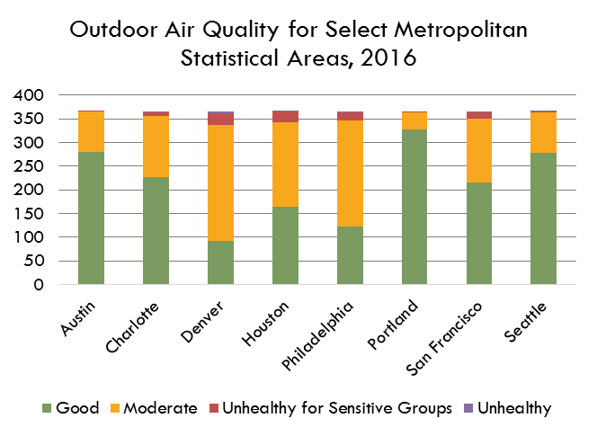
2016

Air Quality Level | Austin | Charlotte | Denver | Houston | Philadelphia | Portland | San Francisco | Seattle | San Antonio
Air Quality Level | Austin | Charlotte | Denver | Houston | Philadelphia | Portland | San Francisco | Seattle | San Antonio
Good | 280 | 227 | 92 | 164 | 122 | 327 | 216 | 279 | 268
Moderate | 85 | 130 | 245 | 179 | 224 | 37 | 135 | 84 | 92
Unhealthy for Sensitive Groups | 1 | 7 | 25 | 22 | 18 | 2 | 13 | 2 | 5
Unhealthy | 0 | 2 | 4 | 1 | 2 | 0 | 2 | 1 | 1

Source: EPA Air Quality Index Report

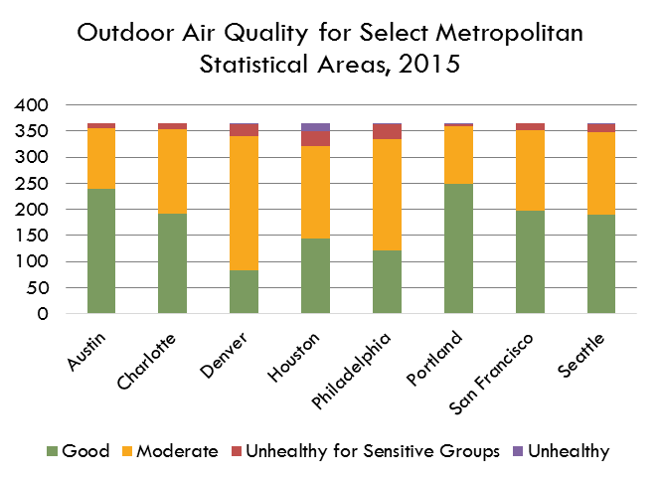
2015

Air Quality Level | Austin | Charlotte | Denver | Houston | Philadelphia | Portland | San Francisco | Seattle | San Antonio
Good | 239 | 192 | 84 | 144 | 122 | 249 | 198 | 189 | 217
Moderate | 116 | 162 | 255 | 176 | 213 | 109 | 153 | 158 | 134
Unhealthy for Sensitive Groups | 10 | 11 | 24 | 30 | 28 | 4 | 14 | 15 | 11
Unhealthy | 0 | 0 | 2 | 14 | 2 | 3 | 0 | 3 | 3

Source: EPA Air Quality Index Report

