Childhood Food Insecurity
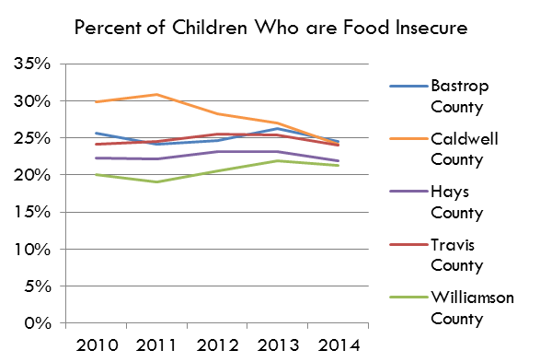
Percent of Children Who are Food Insecure
Child Food Insecurity Rate
 | 2009 | 2010 | 2011 | 2012 | 2013 | 2014 | 2015 | 2016
Bastrop County | 26.2% | 25.6% | 24.2% | 24.7% | 26.3% | 24.5% | 21.8% | 20.9%
Caldwell County | 32.3% | 29.8% | 30.9% | 28.3% | 27.0% | 24.1% | 22.7% | 22.0%
Hays County | 24.5% | 22.3% | 22.1% | 23.1% | 23.2% | 21.9% | 20.6% | 19.4%
Travis County | 26.4% | 24.2% | 24.5% | 25.5% | 25.4% | 24.0% | 22.2% | 25.4%
Williamson County | 22.3% | 20.0% | 19.0% | 20.6% | 21.9% | 21.3% | 19.7% | 18.2%
Texas | 28.2% | 27.1% | 27.6% | 27.4% | 27.4% | 25.6% | 23.8% | 23.0%
USA | 23.2% | 21.6% | 22.4% | 21.6% | 21.4% | 20.9% | 17.9% | 12.9%

Source: Feeding America; Map the Meal Gap, Food Insecurity in Your County; http://map.feedingamerica.org/county/2014/overall
http://www.feedingamerica.org/research/map-the-meal-gap/data-by-county-in-each-state.html

# of Food Insecure Children
 | 2009 | 2010 | 2011 | 2012 | 2013 | 2014 | 2015 | 2016
Bastrop County | 5,000 | 4,780 | 4,650 | 4,760 | 5,100 | 4,790 | 4,310 | 4,210
Caldwell County | 3,200 | 2,700 | 3,080 | 2,840 | 2,650 | 2,360 | 2,190 | 2,130
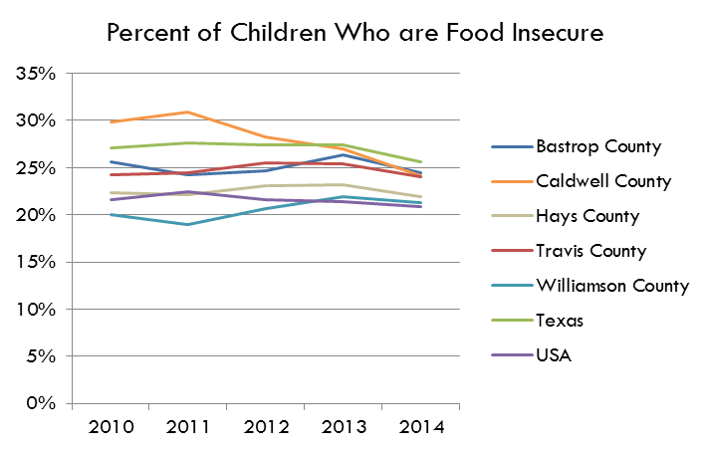
Hays County | 8,410 | 7,890 | 8,230 | 8,950 | 9,250 | 8,990 | 8,690 | 8,520
Travis County | 61,080 | 56,100 | 58,900 | 62,860 | 63,780 | 61,520 | 57,780 | 63,780
Williamson County | 23,610 | 22,430 | 22,420 | 25,020 | 27,280 | 27,160 | 25,680 | 24,170
Texas | 1,871,660 | 1,845,670 | 1,894,060 | 1,909,470 | 1,899,310 | 1,821,820 | 1,713,430 | 1,676,740
USA | 17,197,000 | 16,208,000 | 16,658,000 | 15,898,000 | 15,772,000 | 15,323,000 | 13,118,000 | 12,938,000

Percent of Children Who are Food Insecure

