Travis County Ed. Attainment
Travis County
 |  | 2008 | MOE | 2009 | MOE | MOE | 2013 | MOE | 2014 | MOE | 2015 | MOE | 2016 | MOE | Percent
 | Total Population 25 and Over | 629838 | 522 | 676718 | 335 | 361 | 741747 | 410 | 770,506 | 586 | 795105 | 465 | 816263 | 651
 | Some High School |  |  |  |  |  |  |  |  |  | 92636 | 6000 | 91350 | 6543 | 11%
 | High School or GED |  |  |  |  |  |  |  |  |  | 138023 | 6388 | 136023 | 6765 | 17%
 | Some College | 125384 | 5895 | 130807 | 5680 | 6249 | 143,867 | 6,974 | 154,380 | 6902 | 141407 | 5829 | 159615 | 7721 | 20%
 | Associate's Degree | 39272 | 3407 | 35627 | 3126 | 3826 | 39,754 | 3,451 | 42,124 | 3692 | 47314 | 3561 | 43958 | 3452 | 5%
 | Bachelor's Degree | 167337 | 6565 | 189605 | 6975 | 8045 | 218,168 | 7,421 | 217,714 | 6307 | 243554 | 7151 | 247133 | 7783 | 30%
 | Graduate or Professional Degree | 103586 | 4923 | 104578 | 4710 | 5794 | 122,481 | 6,113 | 133,827 | 5916 | 131371 | 6195 | 138184 | 6138 | 17%

Source: U.S. Census Bureau, American Community Survey, 1-year estimates, Table DP02: Selected Social Characteristics
Postsecondary Educational Attainment - Travis County, 2016
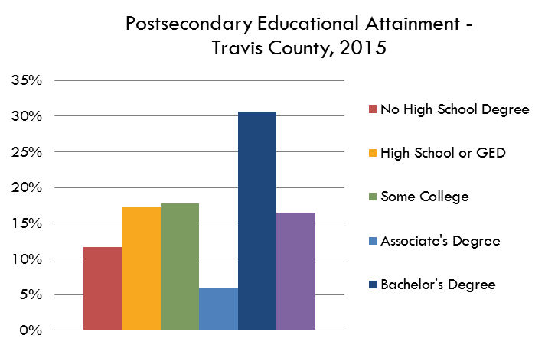

Travis County Educational Attainment, 2014

 |  | Percent | MOE
 | No High School Degree | 11% | 0.80%
 | High School or GED | 17% | 0.83%
 | Some College | 20% | 0.95%
 | Associate's Degree | 5% | 0.42%
 | Bachelor's Degree | 30% | 0.95%
 | Graduate or Professional Degree | 17% | 0.75%

 |  | 100%

 | Associate's, Bachelor's or Graduate | 53%

