Sheet1
Disproportionality Ratios for Bookings into the Travis County Jail
Disproportionality Ratios for Bookings into the Travis County Jail
Unduplicated Individuals Booked into Travis County Jail
 | 2008 | 2009 | 2010 | 2011 | 2012 | 2013 | 2014 | 2015 | 2016 | 2017 | 2018
Black | 8,943 | 9,194 | 9,287 | 9,030 | 8,719 | 8,613 | 8293 | 8122 | 7,961 | 8165 | 7342
Hispanic | 15,475 | 15,474 | 15,228 | 14,664 | 14,778 | 14,466 | 13,330 | 12,012 | 11,698 | 12,022 | 10,693
Other | 341 | 397 | 435 | 444 | 454 | 513 | 528 | 524 | 501 | 489 | 420
White | 19,123 | 19,232 | 19,292 | 17,970 | 18,185 | 17,548 | 17,195 | 16,804 | 15,871 | 14,973 | 13,764
Total | 43,882 | 44,297 | 44,242 | 42,108 | 42,136 | 41,140 | 39,346 | 37,462 | 36,031 | 35,649 | 32,219

% of total unduplicated individuals booked
 | 2008 | 2009 | 2010 | 2011 | 2012 | 2013 | 2014 | 2015 | 2016 | 2017 | 2018
Black | 20.38% | 20.76% | 20.99% | 21.44% | 20.69% | 20.94% | 21.08% | 21.68% | 22.09% | 22.90% | 22.79%
Hispanic | 35.27% | 34.93% | 34.42% | 34.82% | 35.07% | 35.16% | 33.88% | 32.06% | 32.47% | 33.72% | 33.19%
Other | 0.78% | 0.90% | 0.98% | 1.05% | 1.08% | 1.25% | 1.34% | 1.40% | 1.39% | 1.37% | 1.30%
White | 43.58% | 43.42% | 43.61% | 42.68% | 43.16% | 42.65% | 43.70% | 44.86% | 44.05% | 42.00% | 42.72%
Total | 100% | 100% | 100% | 100% | 100% | 100% | 100% | 100% | 100% | 100% | 100%

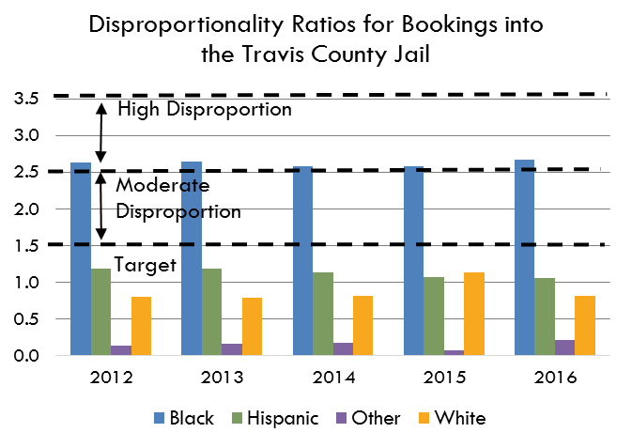
Disproportionality Ratios for Bookings into the Travis County Jail
Population 18 and Older
 | 2008 | 2009 | 2010 | 2011 | 2012 | 2013 | 2014 | 2015 | 2016 | 2017 | 2018
Black | 58,264 | 61,449 | 61,198 | 62,799 | 65,559 | 67,949 | 72,485 | 76,259 | 75,042 | 78,916
Hispanic | 216,039 | 228,440 | 230,649 | 239,798 | 247,605 | 256,112 | 264,791 | 272,445 | 279,017 | 289,207
Other | 57,290 | 53,191 | 60,802 | 63,032 | 67,147 | 68,957 | 71,848 | 73,975 | 80,478 | 84,075
White | 415,260 | 434,429 | 431,598 | 443,391 | 455,165 | 466,532 | 476,812 | 485,937 | 494,949 | 503,097
Total | 746,853 | 777,509 | 784,247 | 809,020 | 835,476 | 859,550 | 885,936 | 908,616 | 929,486 | 955,295 | -

% of population 18 and older
 | 2008 | 2009 | 2010 | 2011 | 2012 | 2013 | 2014 | 2015 | 2016 | 2017 | 2018
Black | 7.80% | 7.90% | 7.80% | 7.76% | 7.85% | 7.91% | 8.18% | 8.39% | 8.07% | 8.26% | #DIV/0!
Hispanic | 28.93% | 29.38% | 29.41% | 29.64% | 29.64% | 29.80% | 29.89% | 29.98% | 30.02% | 30.27% | #DIV/0!
Other | 7.67% | 6.84% | 7.75% | 7.79% | 8.04% | 8.02% | 8.11% | 8.14% | 8.66% | 8.80% | #DIV/0!
White | 55.60% | 55.87% | 55.03% | 54.81% | 54.48% | 54.28% | 53.82% | 53.48% | 53.25% | 52.66% | #DIV/0!

Disproportionality Ratios
 | 2008 | 2009 | 2010 | 2011 | 2012 | 2013 | 2014 | 2015 | 2016 | 2017 | 2018
Black | 2.612 | 2.626 | 2.690 | 2.763 | 2.637 | 2.648 | 2.576 | 2.583 | 2.737 | 2.773 | #DIV/0!
Hispanic | 1.219 | 1.189 | 1.170 | 1.175 | 1.183 | 1.180 | 1.134 | 1.069 | 1.082 | 1.114 | #DIV/0!
Other | 0.101 | 0.131 | 0.127 | 0.135 | 0.134 | 0.155 | 0.165 | 0.172 | 0.161 | 0.156 | #DIV/0!
White | 0.784 | 0.777 | 0.792 | 0.779 | 0.792 | 0.786 | 0.812 | 0.839 | 0.827 | 0.798 | #DIV/0!

Disparity Ratios
 | 2008 | 2009 | 2010 | 2011 | 2012 | 2013 | 2014 | 2015 | 2016 | 2017 | 2018
Black vs. White | 3.1 | 3.4 | 3.4 | 3.5 | 3.3 | 3.4 | 3.2 | 3.1 | 3.3 | 3.5 | #DIV/0!
Black vs. Hispanic | 2.1 | 2.2 | 2.3 | 2.4 | 2.2 | 2.2 | 2.3 | 2.4 | 2.5 | 2.5 | #DIV/0!

Data Sources
 | Travis County Population 18 and Older
 | American Community Survey - 1 Year Estimates
 | Hispanic - C01001I - Sex by Age (Hispanic or Latino)
 | White - C01001H - Sex by Age (White Alone, Not Hispanic or Latino)
 | Black - C01001B - Sex by Age - (Black or African American Alone)
 | (Other - C05003 - Sex by Age by Nativity - Population 18 Years and Over)- Then Subtract Total of Other Races/Ethnicities

 | Travis County Jail Bookings
 | Local data is available from the Travis County Sheriff's Office. Contact Karen Maxwell, Senior Planner, for the latest data: karen.maxwell@traviscountytx.gov

 | 2008 |  | 2009 |  | 2010 |  | 2011 |  | 2012 |  | 2013
 | Ind | % | Ind | % | Ind | % | Ind | % | Ind | % | Ind | %
B | 8,943 | 20% | 9,194 | 21% | 9,287 | 21% | 9,030 | 21% | 8,719 | 21% | 8,613 | 21%
H | 15,475 | 35% | 15,474 | 35% | 15,228 | 34% | 14,664 | 35% | 14,778 | 35% | 14,466 | 35%
O | 341 | 1% | 397 | 1% | 435 | 1% | 444 | 1% | 454 | 1% | 513 | 1%
W | 19,123 | 44% | 19,232 | 43% | 19,292 | 44% | 17,970 | 43% | 18,185 | 43% | 17,548 | 43%
Total | 43,882 |  | 44,297 |  | 44,242 |  | 42,108 |  | 42,136 |  | 41,140

 | 2008 |  | 2009 |  | 2010 |  | 2011 |  | 2012 |  | 2013
 | Ind | % | Ind | % | Ind | % | Ind | % | Ind | % | Ind | %
B | 8,943 | 20.38% | 9,194 | 20.76% | 9,287 | 20.99% | 9,030 | 21.44% | 8,719 | 20.69% | 8,613 | 20.94%
H | 15,475 | 35.27% | 15,474 | 34.93% | 15,228 | 34.42% | 14,664 | 34.82% | 14,778 | 35.07% | 14,466 | 35.16%
O | 341 | 0.78% | 397 | 0.90% | 435 | 0.98% | 444 | 1.05% | 454 | 1.08% | 513 | 1.25%
W | 19,123 | 43.58% | 19,232 | 43.42% | 19,292 | 43.61% | 17,970 | 42.68% | 18,185 | 43.16% | 17,548 | 42.65%
Total | 43,882 |  | 44,297 |  | 44,242 |  | 42,108 |  | 42,136 |  | 41,140

