City Comparisons
Outdoor Air Quality for Select Metropolitan Statistical Areas, 2018

2018

Air Quality Level | Austin | Charlotte | Denver | Houston | Philadelphia | Portland | San Francisco | Seattle | San Antonio
Good | 239 | 229 | 93 | 166 | 134 | 281 | 147 | 239 | 251
Moderate | 117 | 125 | 225 | 164 | 212 | 74 | 199 | 110 | 103
Unhealthy for Sensitive Groups | 9 | 10 | 41 | 26 | 16 | 6 | 7 | 9 | 10
Unhealthy | 0 | 0 | 6 | 7 | 3 | 4 | 9 | 7 | 1
 |  |  |  | 2 |  |  | 3
Source: EPA Air Quality Index Report

2017

Outdoor Air Quality for Select Metropolitan Statistical Areas, 2017
Air Quality Level | Austin | Charlotte | Denver | Houston | Philadelphia | Portland | San Francisco | Seattle | San Antonio
Good | 262 | 214 | 72 | 184 | 126 | 278 | 170 | 222 | 262
Moderate | 99 | 146 | 253 | 156 | 217 | 71 | 179 | 119 | 94
Unhealthy for Sensitive Groups | 4 | 5 | 39 | 22 | 20 | 10 | 8 | 13 | 4
Unhealthy | 0 | 0 | 1 | 3 | 2 | 5 | 7 | 10 | 2

Source: EPA Air Quality Index Report

2016
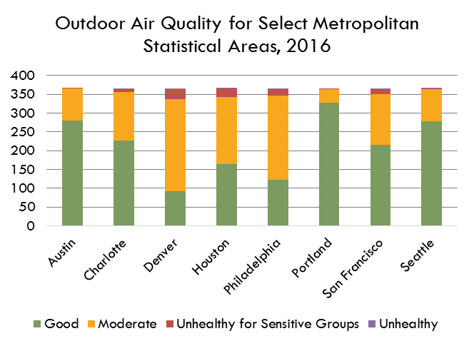
Air Quality Level | Austin | Charlotte | Denver | Houston | Philadelphia | Portland | San Francisco | Seattle | San Antonio
Air Quality Level | Austin | Charlotte | Denver | Houston | Philadelphia | Portland | San Francisco | Seattle | San Antonio
Good | 280 | 227 | 92 | 164 | 122 | 327 | 216 | 279 | 268
Moderate | 85 | 130 | 245 | 179 | 224 | 37 | 135 | 84 | 92
Unhealthy for Sensitive Groups | 1 | 7 | 25 | 22 | 18 | 2 | 13 | 2 | 5
Unhealthy | 0 | 2 | 4 | 1 | 2 | 0 | 2 | 1 | 1

Source: EPA Air Quality Index Report

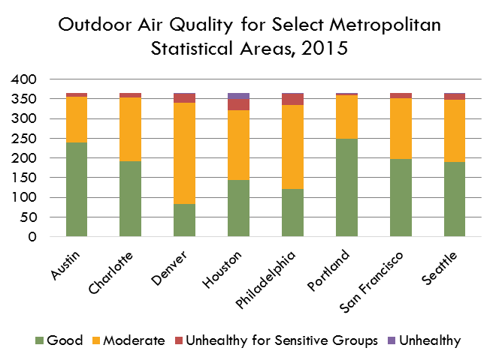

2015

Air Quality Level | Austin | Charlotte | Denver | Houston | Philadelphia | Portland | San Francisco | Seattle | San Antonio
Good | 239 | 192 | 84 | 144 | 122 | 249 | 198 | 189 | 217
Moderate | 116 | 162 | 255 | 176 | 213 | 109 | 153 | 158 | 134
Unhealthy for Sensitive Groups | 10 | 11 | 24 | 30 | 28 | 4 | 14 | 15 | 11
Unhealthy | 0 | 0 | 2 | 14 | 2 | 3 | 0 | 3 | 3

Source: EPA Air Quality Index Report

Outdoor Air Quality for Select Metropolitan Statistical Areas, 2014
2014

Air Quality Level | Austin | Charlotte | Denver | Houston | Philadelphia | Portland | San Francisco | Seattle | San Antonio
Good | 249 | 212 | 102 | 147 | 84 | 277 | 200 | 233 | 203
Moderate | 116 | 148 | 229 | 204 | 260 | 80 | 155 | 125 | 156
Unhealthy for Sensitive Groups | 0 | 5 | 33 | 13 | 18 | 7 | 10 | 7 | 6
Unhealthy | 0 | 0 | 1 | 1 | 3 | 1 | 0 | 0 | 0

Source: EPA Air Quality Index Report

Outdoor Air Quality for Select Metropolitan Statistical Areas, 2013
2013

Air Quality Level | Austin | Charlotte | Denver | Houston | Philadelphia | Portland | San Francisco | Seattle | San Antonio
Good | 249 | 244 | 100 | 155 | 103 | 234 | 160 | 192 | 108
Moderate | 112 | 118 | 221 | 185 | 243 | 114 | 196 | 165 | 207
Unhealthy for Sensitive Groups | 4 | 3 | 36 | 20 | 19 | 13 | 9 | 8 | 44
Unhealthy | 0 | 0 | 8 | 5 | 0 | 4 | 0 | 0 | 6

Source: EPA Air Quality Index Report

Outdoor Air Quality for Select Metropolitan Statistical Areas, 2012
2012

Air Quality Level | Austin | Charlotte | Denver | Houston | Philadelphia | Portland | San Francisco | Seattle | San Antonio
Good | 249 | 193 | 110 | 130 | 93 | 272 | 221 | 234 | 222
Moderate | 109 | 147 | 186 | 188 | 230 | 91 | 138 | 120 | 128
Unhealthy for Sensitive Groups | 6 | 22 | 63 | 37 | 34 | 3 | 6 | 11 | 12
Unhealthy | 2 | 3 | 7 | 9 | 9 | 0 | 1 | 1 | 4
Very Unhealthy | 0 | 1 | 0 | 2 | 0 | 0 | 0 | 0 | 0

Source: EPA Air Quality Index Report

Outdoor Air Quality for Select Metropolitan Statistical Areas, 2011
2011

Air Quality Level | Austin | Charlotte | Denver | Houston | Philadelphia | Portland | San Francisco | Seattle | San Antonio
Good | 218 | 153 | 103 | 103 | 98 | 256 | 180 | 237 | 209
Moderate | 133 | 167 | 205 | 205 | 236 | 92 | 173 | 115 | 134
Unhealthy for Sensitive Groups | 13 | 37 | 51 | 44 | 19 | 14 | 12 | 12 | 20
Unhealthy | 1 | 8 | 6 | 11 | 12 | 3 | 0 | 1 | 2
Very Unhealthy | 0 | 0 | 0 | 2 | 0 | 0 | 0 | 0 | 0

Source: EPA Air Quality Index Report

Outdoor Air Quality for Select Metropolitan Statistical Areas, 2010
2010

Air Quality Level | Austin | Charlotte | Denver | Houston | Philadelphia | Portland | San Francisco | Seattle | San Antonio
Good | 268 | 141 | 103 | 118 | 112 | 294 | 197 | 266 | 238
Moderate | 87 | 186 | 224 | 203 | 205 | 68 | 154 | 96 | 116
Unhealthy for Sensitive Groups | 10 | 34 | 36 | 27 | 36 | 2 | 13 | 3 | 9
Unhealthy | 0 | 4 | 2 | 17 | 12 | 1 | 1 | 0 | 2
Very Unhealthy | 0 | 0 | 0 | 0 | 0 | 0 | 0 | 0 | 0

Source: EPA Air Quality Index Report

Outdoor Air Quality for Select Metropolitan Statistical Areas, 2009
2009

Air Quality Level | Austin | Charlotte | Denver | Houston | Philadelphia | Portland | San Francisco | Seattle | San Antonio
Good | 242 | 170 | 170 | 97 | 84 | 228 | 158 | 130 | 211
Moderate | 118 | 185 | 185 | 234 | 257 | 120 | 190 | 211 | 146
Unhealthy for Sensitive Groups | 5 | 10 | 10 | 22 | 22 | 16 | 16 | 23 | 7
Unhealthy | 0 | 0 | 0 | 10 | 2 | 1 | 1 | 1 | 1
Very Unhealthy | 0 | 0 | 0 | 2 | 0 | 0 | 0 | 0 | 0

Source: EPA Air Quality Index Report

Outdoor Air Quality for Select Metropolitan Statistical Areas, 2008
2008

Air Quality Level | Austin | Charlotte | Denver | Houston | Philadelphia | Portland | San Francisco | Seattle | San Antonio
Good | 241 | 114 | 124 | 79 | 85 | 247 | 165 | 228 | 202
Moderate | 111 | 202 | 189 | 238 | 231 | 110 | 179 | 128 | 150
Unhealthy for Sensitive Groups | 14 | 42 | 51 | 37 | 38 | 9 | 16 | 8 | 14
Unhealthy | 0 | 8 | 2 | 9 | 10 | 0 | 5 | 2 | 0
Very Unhealthy | 0 | 0 | 0 | 1 | 2 | 0 | 1 | 0 | 0

Source: EPA Air Quality Index Report

Outdoor Air Quality for Select Metropolitan Statistical Areas, 2007
2007

Air Quality Level | Austin | Charlotte | Denver | Houston | Philadelphia | Portland | San Francisco | Seattle | San Antonio
Good | 246 | 102 | 82 | 54 | 88 | 247 | 230 | 217 | 209
Moderate | 111 | 178 | 191 | 251 | 217 | 96 | 120 | 122 | 148
Unhealthy for Sensitive Groups | 7 | 64 | 68 | 41 | 43 | 20 | 14 | 21 | 7
Unhealthy | 1 | 19 | 23 | 19 | 14 | 2 | 1 | 5 | 1
Very Unhealthy | 0 | 2 | 1 | 0 | 3 | 0 | 0 | 0 | 0

Source: EPA Air Quality Index Report

