Estimates
Travis County Renter Households, 2013-2017

 | Severely Cost-Burdened | Cost-Burdened | Not Cost-Burdened
Less than $10,000 | 12,433 | 752 | 6,286
$10,000 - $19,999 | 17,174 | 2,557 | 1,417
$20,000 - $34,999 | 14,343 | 19,119 | 4,017
$35,000 - $49,999 | 2,735 | 17,115 | 15,249
$50,000 - $74,999 | 833 | 9,886 | 33,058
$75,000 - $99,999 | 134 | 1,617 | 21,614
$100,000 or more | - | 587 | 32,410

Source: U.S. Census Bureau, American Community Survey, 5-Year Estimates
 | Table B25074: | Household Income by Gross Rent as a Percentage of Household Income in the Past 12 Months

 |  |  |  |  |  |  |  |  |  |  |  |  | Total Renters | Total Cost-Burdened
 |  |  |  |  |  |  |  |  |  |  |  | Less than $10,000: | 24,457 | 22,621
 |  |  |  |  |  |  |  |  |  |  |  | $10,000 to $19,999: | 26,868 | 31,961
 |  |  |  |  |  |  |  |  |  |  |  | $20,000 to $34,999: | 41,010 | 45,866
 |  |  |  |  |  |  |  |  |  |  |  | $35,000 to $49,999: | 34,582 | 26,214
 |  |  |  |  |  |  |  |  |  |  |  | $50,000 to $74,999: | 34,566 | 18,366
 |  |  |  |  |  |  |  |  |  |  |  | $75,000 to $99,999: | 17,954 | 5,555
 |  |  |  |  |  |  |  |  |  |  |  | $100,000 or more: | 19,248 | 6,187

% of Households Who are Renters and % Who are Housing Cost-Burdened, by Income Group, Travis County, 2013
 | Estimates!#REF! | Estimates!#REF!
 | 1 | 1

 |  |  |  |  |  |  | Correlation Between % Cost-Burdened and % Renters
 |  |  |  |  |  |  | #REF!

# Renters and # Cost-Burdened by Income

Number of Households Who are Renters and Total Number of Housing Cost-Burdened Households, by Income Group, Travis County, 2013
 | Estimates!#REF! | Estimates!#REF!
 | 1 | 1
Cost-Burdened Renters and Owners by Income Group, Travis County, 2009-2013
 | Estimates!#REF! | Estimates!#REF!
 | 1 | 1
Renters and Owners by Income Group, Travis County, 2009-2013
 | Estimates!#REF! | Estimates!#REF!
 | 1 | 1

 | Total Owners | Total Renters | HCB Renters | HCB Owners | Non-HCB Renters | Non-HCB Owners |  | Total Households | % Cost-Burdened | Total Cost-Burdened
Less than $10,000: | 5,184 | 24,457 | 18,863 | 3,758 | 5,594 | 1,426 |  | 29,641 | 76% | 22,621
$10,000 to $19,999: | 8,382 | 26,868 | 25,295 | 6,666 | 1,573 | 1,716 |  | 35,250 | 91% | 31,961
$20,000 to $34,999: | 17,875 | 41,010 | 34,104 | 11,762 | 6,906 | 6,113 |  | 58,885 | 78% | 45,866
$35,000 to $49,999: | 22,145 | 34,582 | 13,973 | 12,241 | 20,609 | 9,904 |  | 56,727 | 46% | 26,214
$50,000 to $74,999: | 37,156 | 34,566 | 5,364 | 13,002 | 29,202 | 24,154 |  | 71,722 | 26% | 18,366
$75,000 to $99,999: | 31,146 | 17,954 | 623 | 4,932 | 17,331 | 26,214 |  | 49,100 | 11% | 5,555
$100,000 or more: | 91,303 | 19,248 | 309 | 5,878 | 18,939 | 85,425 |  | 110,551 | 6% | 6,187

 | Cost-Burdened Renters | Non-Cost-Burdened Renters | Cost-Burdened Owners | Non-Cost-Burdened Owners |  |  |  | Cost-Burdened Renters | Non-Cost-Burdened Renters | Cost-Burdened Owners | Non-Cost-Burdened Owners
Less than $10,000: | 18,863 | 5,594 | 3,758 | 1,426 |  |  | Less than $10,000: | 64% | 19% | 13% | 5%
$10,000 to $19,999: | 25,295 | 1,573 | 6,666 | 1,716 |  |  | $10,000 to $19,999: | 72% | 4% | 19% | 5%
$20,000 to $34,999: | 34,104 | 6,906 | 11,762 | 6,113 |  |  | $20,000 to $34,999: | 58% | 12% | 20% | 10%
$35,000 to $49,999: | 13,973 | 20,609 | 12,241 | 9,904 |  |  | $35,000 to $49,999: | 25% | 36% | 22% | 17%
$50,000 to $74,999: | 5,364 | 29,202 | 13,002 | 24,154 |  |  | $50,000 to $74,999: | 7% | 41% | 18% | 34%
$75,000 to $99,999: | 623 | 17,331 | 4,932 | 26,214 |  |  | $75,000 to $99,999: | 1% | 35% | 10% | 53%
$100,000 or more: | 309 | 18,939 | 5,878 | 85,425 |  |  | $100,000 or more: | 0% | 17% | 5% | 77%

 |  |  |  |  |  |  |  |  | 0.064379045595
 |  |  |  |  |  |  |  |  | 0.02
Total Cost-Burdened (All Households) | #REF!

Housing Cost-Burdened Breakdown by Income Group, Travis County, 2009-2013
Housing Cost-Burdened Breakdown by Income Group, Travis County, 2009-2013

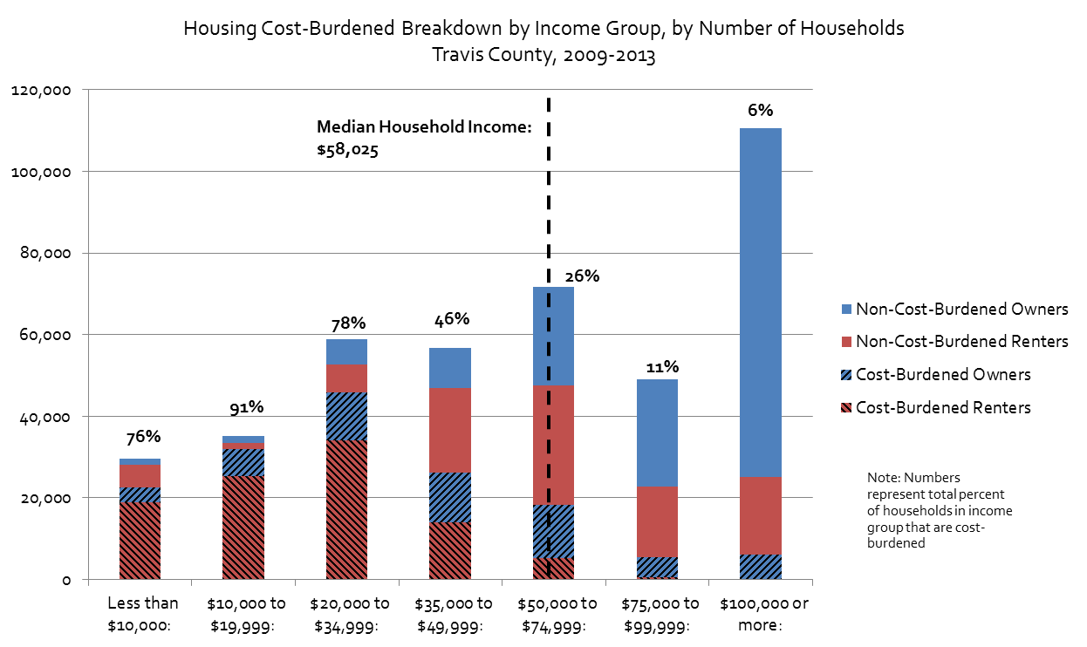
 | Median Household Income (2009-2013) |  | $58,025
 | ACS 5-Year Estimates, Table B19013

Housing Cost-Burdened Breakdown by Income Group, by Number of Households Travis County, 2009-2013

 | Number of Households Below Median Household Income That are Housing Cost-Burdened*
 | 126,662
 | 70%
 | Percent of Housing Cost-Burdened Households Who Make Below Median Household Income
 | 81%
 | *Excluding Households with Incomes Between $50,000 and $58,025

MOE
Number
 | Total Owners | Total Renters | HCB Renters | HCB Owners | Total Households | Total Cost-Burdened | % Cost-Burdened | CV | Lower Estimate | Upper Estimate
Less than $10,000: |  | 19,471 | 13,185 |  | 19,471 | 13,185 | 68% | 2% | 65% | 70%
$10,000 to $19,999: |  | 21,148 | 19,731 |  | 21,148 | 19,731 | 93% | 1% | 91% | 96%
$20,000 to $34,999: |  | 37,479 | 33,462 |  | 37,479 | 33,462 | 89% | 1% | 87% | 91%
$35,000 to $49,999: |  | 35,099 | 19,850 |  | 35,099 | 19,850 | 57% | 2% | 55% | 59%
$50,000 to $74,999: |  | 43,777 | 10,719 |  | 43,777 | 10,719 | 24% | 4% | 23% | 26%
$75,000 to $99,999: |  | 23,365 | 1751 |  | 23,365 | 1,751 | 7% | 11% | 6% | 9%
$100,000 or more: |  | 32,997 | 587 |  | 32,997 | 587 | 2% | 16% | 1% | 2%

Margin of Error
 | Total Owners | Total Renters | HCB Renters | HCB Owners | Total Households | Total Cost-Burdened | % Cost-Burdened
Less than $10,000: |  | 1041 | 879 |  | 1,041 | 879 | 3%
$10,000 to $19,999: |  | 1,063 | 1,103 |  | 1,063 | 1,103 | 2%
$20,000 to $34,999: |  | 1,443 | 1,525 |  | 1,443 | 1,525 | 2%
$35,000 to $49,999: |  | 1,381 | 1,038 |  | 1,381 | 1,038 | 2%
$50,000 to $74,999: |  | 1,675 | 818 |  | 1,675 | 818 | 2%
$75,000 to $99,999: |  | 1,165 | 330 |  | 1,165 | 330 | 1%
$100,000 or more: |  | 1,560 | 153 |  | 1,560 | 153 | 0%

Source: U.S. Census Bureau, 2016 American Community Survey 5-Year Estimates
 | Table B25074: | Household Income by Gross Rent as a Percentage of Household Income in the Past 12 Months
 | Table C25095: Household Income by Selected Monthly Owner Costs As a Percentage of Household Income in the Past 12 Months (1-year estimates)

 | Total Owners | Total Renters | HCB Renters | HCB Owners | Total Households | Total Cost-Burdened | % Cost-Burdened | CV | Lower Estimate | Upper Estimate
Less than $50,000: | - | 113,197 | 86,228 | - | 113,197 | 86,228 | 76% | 1% | 75% | 77%
$50,000 to $99,999: | - | 67,142 | 12,470 | - | 67,142 | 12,470 | 19% | 4% | 17% | 20%
$100,000 or more: | - | 32,997 | 587 | - | 32,997 | 587 | 2% | 16% | 1% | 2%

MOE
 | Total Owners | Total Renters | HCB Renters | HCB Owners | Total Households | Total Cost-Burdened | % Cost-Burdened
Less than $50,000: | - | 2,491 | 2,322 | - | 2,491 | 2,322 | 1%
$50,000 to $99,999: | - | 2,040 | 882 | - | 2,040 | 882 | 1%
$100,000 or more: | - | 1,560 | 153 | - | 1,560 | 153 | 0%

Percent of Households Spending 30% or More of Income on Housing Costs, by Income Group, Travis County, 2009-2013
Percent of Households Spending 30% or More of Income on Housing Costs, by Income Group, Travis County, 2009-2013

