Sheet1
Overall Crime Rate per 100,000 People
Target: 1% annual reduction
Overall Crime Rate per 100,000 People
Overall Crime Rate per 100,000

 |  | 2005 | 2006 | 2007 | 2008 | 2009 | 2010 | 2011 | 2012 | 2013 | 2014 | 2015 | 2016 | 2017 | 2018 | 2018 target | 2019 Target
 | Travis |  |  | 5894 | 5546 | 5820 | 5357 | 4885 | 4806 | 4453 | 3988 | 3677 | 3526 | 3270 | 3394 | 3237 | 3360
 | TX Urban Counties |  |  | 5679 | 5527 | 5523 | 5188 | 4546 | 4625 | 4478 | 4127 | 3910 | 3907 | 3725 | 3490
 | Texas |  |  | 4631 | 4495 | 4507 | 4236 | 3885 | 3812 | 3626 | 3392 | 3233 | 3183 | 2975 | 2777
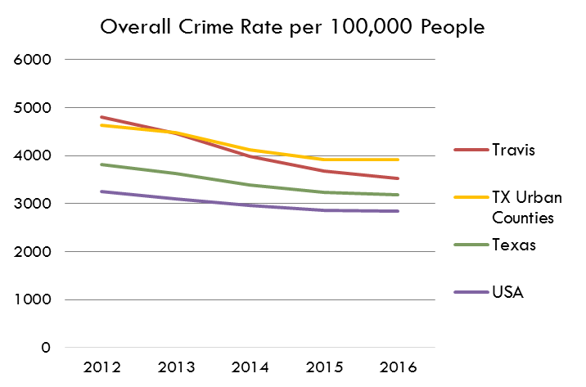
 | USA |  |  | 3748 | 3673 | 3473 | 3350 | 3295 | 3246 | 3099 | 2962 | 2860 | 2837 | 2767 | 2568
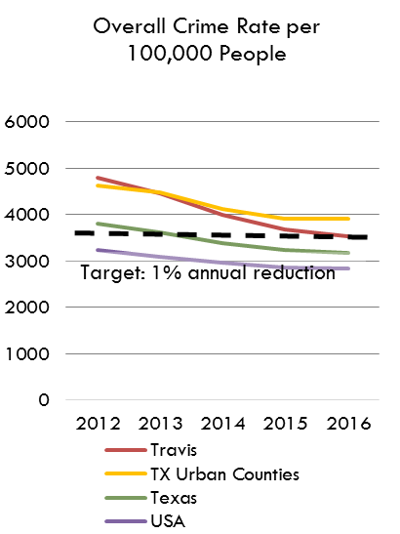
 |  |  |  |  |  |  |  |  |  |  |  |  |  |  |  | % change 2017 to 2018 |  | % change 2014 to 2018 | % change 2012-2016
 |  |  |  |  |  |  |  |  |  |  |  |  |  |  |  | 4% |  | -14.88% | -26.63%
The crime count of incidents (including murder, rape, robberies, assault, burglary, larceny and auto theft) divided by population to produce a rate per 100,000 persons in the population

Violent Crime Rate per 100,000 People
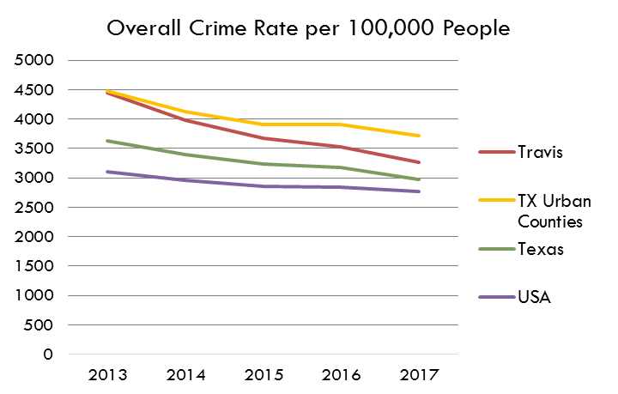
Violent, Property Crime Rate per 100,000

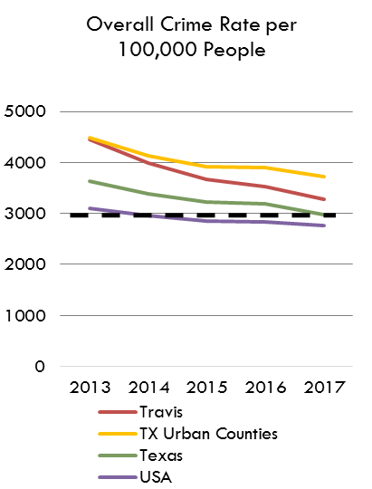
Target: 1% annual reduction
Violent Crime |  | 2005 | 2006 | 2007 | 2008 | 2009 | 2010 | 2011 | 2012 | 2013 | 2014 | 2015 | 2016 | 2017 | 2018 | 2018 target | 2019 Target
 | Travis |  |  |  |  |  |  |  |  |  | 357 | 348 | 387 | 386 | 371 | 382 | 367
 | TX Urban Counties |  |  |  |  |  |  |  |  |  | 520 | 527 | 569 | 580 | 546
 | Texas |  |  |  |  |  |  |  |  |  | 404 | 411 | 434 | 435 | 413
 | USA |  |  |  |  |  |  |  |  |  | 365 | 373 | 386 | 384 | 369
 |  |  |  |  |  |  |  |  |  |  |  |  |  |  |  | % change 2017 to 2018
 |  |  |  |  |  |  |  |  |  |  |  |  |  |  |  | -4%

Property Crime Rate per 100,000 People
Property Crime |  | 2005 | 2006 | 2007 | 2008 | 2009 | 2010 | 2011 | 2012 | 2013 | 2014 | 2015 | 2016 | 2017 | 2018 | 2018 target | 2019 Target
 | Travis |  |  |  |  |  |  |  |  |  | 3631 | 3329 | 3139 | 2885 | 3023 | 2856 | 2993
 | TX Urban Counties |  |  |  |  |  |  |  |  |  | 3608 | 3383 | 3337 | 3145 | 2943
 | Texas |  |  |  |  |  |  |  |  |  | 2988 | 2823 | 2752 | 2540 | 2363
 | USA |  |  |  |  |  |  |  |  |  | 2596 | 2487 | 2449 | 2366 | 2199
 |  |  |  |  |  |  |  |  |  |  |  |  |  |  |  | % change 2017 to 2018
Property Crime Rate per 100,000 People
Data Source |  |  |  |  |  |  |  |  |  |  |  |  |  |  |  | 5%
 | Texas Department of Public Safety Crime Reports, Crime by Jurisdiction: www.txdps.state.tx.us/administration/crime_records/pages/crimestatistics.htm
 | Methodology for Calculating the Crime Rate can be Accessed Here: http://www.canatx.org/CAN-Research/Reports/2008/StatisticalOverviewTravisCounty.pdf
 | United States Crime Data: https://ucr.fbi.gov/ucr-publications | Table 1 at | https://ucr.fbi.gov/crime-in-the-u.s/2018/crime-in-the-u.s.-2018/topic-pages/tables/table-1

 | 2015 Data Reporting Omissions

 |  | Bexar County: None
 |  | Harris County: Shoreacres PD - Reported 0 Months (Population 1613);
 |  | Dallas County: None
 |  | El Paso County: None
 |  | Tarrant County: None
 |  | Travis County: DPS Austin - Reported 0 Months (Population 0);
 |  |  |  |  |  |  |  |  |  | USA
 |  |  |  |  |  |  |  |  |  | Texas
 |  |  |  |  |  |  |  |  |  | TX Urban Counties
 |  |  |  |  |  |  |  |  |  | Travis

 |  |  |  |  |  |  |  |  |  | USA
 |  |  |  |  |  |  |  |  |  | Texas
 |  |  |  |  |  |  |  |  |  | TX Urban Counties
 |  |  |  |  |  |  |  |  |  | Travis

