Sheet1
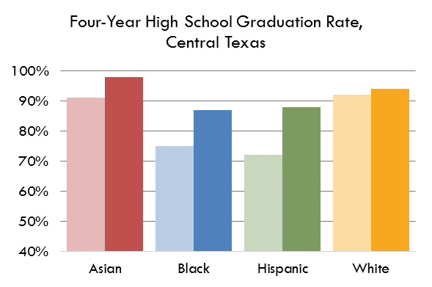
Four Year Graduation Rate for Central Texas by Race/Ethnicity

 |  | Class of 2009 | Class of 2018
 | Asian | 93.7% | 97.0%
 | Black | 72.1% | 86.6%
Four-Year High School Graduation Rate, Central Texas
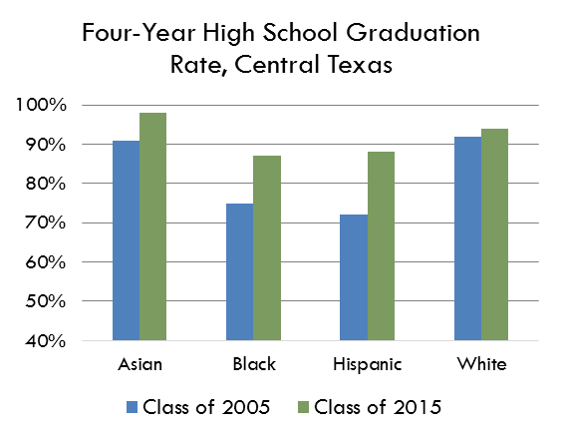
 | Hispanic | 68.8% | 90.0%
 | White | 88.8% | 94.1%

Four year completion rate for grades 9-12 by race/ethnicity

Data Source | E3 Alliance

