Estimates
% of Owners and Renters that are Cost-Burdened

Percent of Owners and Renters that are Housing Cost-Burdened, 2019
2019 - Cost Burdened
 | City of Austin | Travis County | Austin MSA | Texas | USA
Owners | 23% | 23% | 23% | 20% | 21%
Renters | 44% | 44% | 45% | 45% | 45%

Percent of households where monthly rent (plus utility and/or housing fuel costs) or mortgage payments (or other housing debt costs) equal 30% of more of a household's monthly income

Data Source
 | American Community Survey, 1 Year Estimates - Detailed Tables
 |  | B25070 - Gross Rent as a Percentage of Household Income
 |  | B25091 - Mortgage Status by Selected Monthly Owner Costs as a Percentage of Household Income

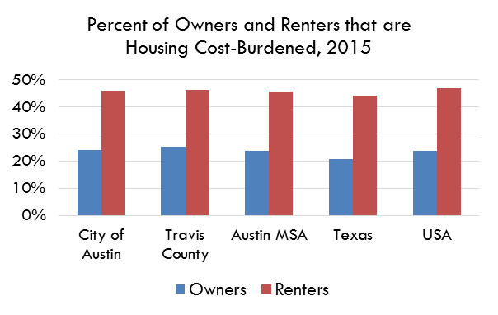

2019 | City of Austin | Travis County | Austin MSA | Texas | USA
% of Owners that are Cost-Burdened | 23% | 23% | 23% | 20% | 21%
Margin of Error | 1.9% | 1.8% | 1.20% | 0.34% | 0%
Lower Estimate | 21% | 21% | 20% | 20% | 21%
Upper Estimate | 25% | 25% | 22% | 20% | 21%

2019 | City of Austin | Travis County | Austin MSA | Texas | USA
% of Renters that are Cost-Burdened | 44% | 44% | 45% | 45% | 45%
Margin of Error | 2.21% | 2.14% | 2.01% | 0.63% | 0.13%
Lower Estimate | 42% | 42% | 43% | 44% | 45%
Upper Estimate | 47% | 46% | 47% | 45% | 45%

