Estimates
Travis County Renter Households, 2015-2019
Data is ACS 5-Year, thus should not be compared year to year
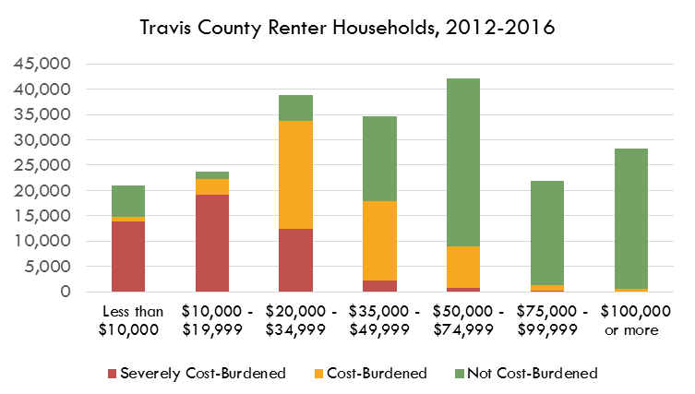
RENTERS | Severely Cost-Burdened | Cost-Burdened | Not Cost-Burdened
Less than $10,000 | 11,739 | 680 | 6,324
$10,000 - $19,999 | 15,242 | 1,757 | 1,611
$20,000 - $34,999 | 16,651 | 15,434 | 3,027
$35,000 - $49,999 | 3,635 | 19,051 | 10,866
$50,000 - $74,999 | 972 | 13,261 | 32,215
$75,000 - $99,999 | 147 | 2,559 | 24,865
$100,000 or more | - | 551 | 44,423

Source: U.S. Census Bureau, American Community Survey, 5-Year Estimates
 | Table B25074: | Household Income by Gross Rent as a Percentage of Household Income in the Past 12 Months

 |  |  |  |  |  |  |  |  |  |  |  |  | Total Renters | Total Cost-Burdened
 |  |  |  |  |  |  |  |  |  |  |  | Less than $10,000: | 24,457 | 22,621
 |  |  |  |  |  |  |  |  |  |  |  | $10,000 to $19,999: | 26,868 | 31,961
 |  |  |  |  |  |  |  |  |  |  |  | $20,000 to $34,999: | 41,010 | 45,866
 |  |  |  |  |  |  |  |  |  |  |  | $35,000 to $49,999: | 34,582 | 26,214
 |  |  |  |  |  |  |  |  |  |  |  | $50,000 to $74,999: | 34,566 | 18,366
 |  |  |  |  |  |  |  |  |  |  |  | $75,000 to $99,999: | 17,954 | 5,555
 |  |  |  |  |  |  |  |  |  |  |  | $100,000 or more: | 19,248 | 6,187

% of Households Who are Renters and % Who are Housing Cost-Burdened, by Income Group, Travis County, 2013
 | Estimates!#REF! | Estimates!#REF!
 | 1 | 1

 |  |  |  |  |  |  | Correlation Between % Cost-Burdened and % Renters
 |  |  |  |  |  |  | #REF!

# Renters and # Cost-Burdened by Income

Number of Households Who are Renters and Total Number of Housing Cost-Burdened Households, by Income Group, Travis County, 2013
 | Estimates!#REF! | Estimates!#REF!
 | 1 | 1
Cost-Burdened Renters and Owners by Income Group, Travis County, 2009-2013
 | Estimates!#REF! | Estimates!#REF!
 | 1 | 1
Renters and Owners by Income Group, Travis County, 2009-2013
 | Estimates!#REF! | Estimates!#REF!
 | 1 | 1

 | Total Owners | Total Renters | HCB Renters | HCB Owners | Non-HCB Renters | Non-HCB Owners |  | Total Households | % Cost-Burdened | Total Cost-Burdened
Less than $10,000: | 5,184 | 24,457 | 18,863 | 3,758 | 5,594 | 1,426 |  | 29,641 | 76% | 22,621
$10,000 to $19,999: | 8,382 | 26,868 | 25,295 | 6,666 | 1,573 | 1,716 |  | 35,250 | 91% | 31,961
$20,000 to $34,999: | 17,875 | 41,010 | 34,104 | 11,762 | 6,906 | 6,113 |  | 58,885 | 78% | 45,866
$35,000 to $49,999: | 22,145 | 34,582 | 13,973 | 12,241 | 20,609 | 9,904 |  | 56,727 | 46% | 26,214
$50,000 to $74,999: | 37,156 | 34,566 | 5,364 | 13,002 | 29,202 | 24,154 |  | 71,722 | 26% | 18,366
$75,000 to $99,999: | 31,146 | 17,954 | 623 | 4,932 | 17,331 | 26,214 |  | 49,100 | 11% | 5,555
$100,000 or more: | 91,303 | 19,248 | 309 | 5,878 | 18,939 | 85,425 |  | 110,551 | 6% | 6,187

 | Cost-Burdened Renters | Non-Cost-Burdened Renters | Cost-Burdened Owners | Non-Cost-Burdened Owners |  |  |  | Cost-Burdened Renters | Non-Cost-Burdened Renters | Cost-Burdened Owners | Non-Cost-Burdened Owners
Less than $10,000: | 18,863 | 5,594 | 3,758 | 1,426 |  |  | Less than $10,000: | 64% | 19% | 13% | 5%
$10,000 to $19,999: | 25,295 | 1,573 | 6,666 | 1,716 |  |  | $10,000 to $19,999: | 72% | 4% | 19% | 5%
$20,000 to $34,999: | 34,104 | 6,906 | 11,762 | 6,113 |  |  | $20,000 to $34,999: | 58% | 12% | 20% | 10%
$35,000 to $49,999: | 13,973 | 20,609 | 12,241 | 9,904 |  |  | $35,000 to $49,999: | 25% | 36% | 22% | 17%
$50,000 to $74,999: | 5,364 | 29,202 | 13,002 | 24,154 |  |  | $50,000 to $74,999: | 7% | 41% | 18% | 34%
$75,000 to $99,999: | 623 | 17,331 | 4,932 | 26,214 |  |  | $75,000 to $99,999: | 1% | 35% | 10% | 53%
$100,000 or more: | 309 | 18,939 | 5,878 | 85,425 |  |  | $100,000 or more: | 0% | 17% | 5% | 77%

 |  |  |  |  |  |  |  |  | 0.064379045595
 |  |  |  |  |  |  |  |  | 0.02
Total Cost-Burdened (All Households) | #REF!

Housing Cost-Burdened Breakdown by Income Group, Travis County, 2009-2013
Housing Cost-Burdened Breakdown by Income Group, Travis County, 2009-2013

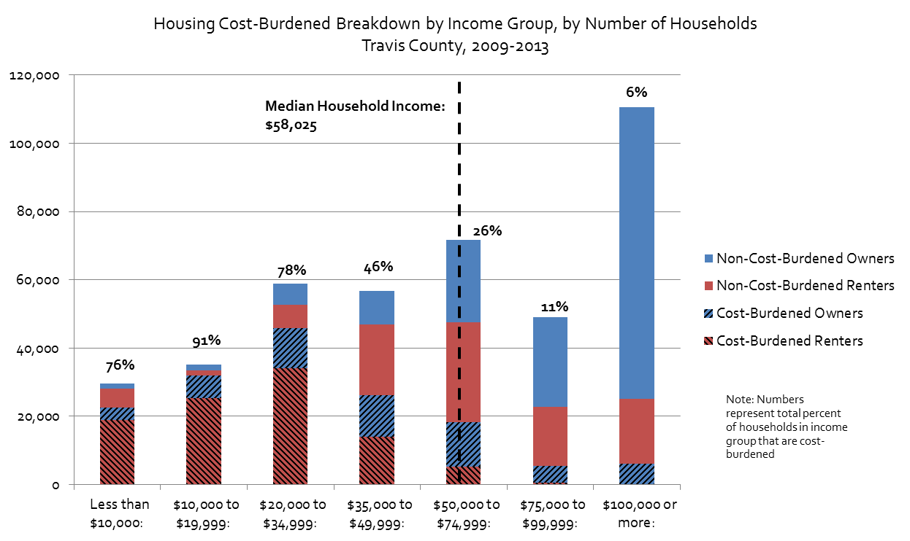
 | Median Household Income (2009-2013) |  | $58,025
 | ACS 5-Year Estimates, Table B19013

Housing Cost-Burdened Breakdown by Income Group, by Number of Households Travis County, 2009-2013

 | Number of Households Below Median Household Income That are Housing Cost-Burdened*
 | 126,662
 | 70%
 | Percent of Housing Cost-Burdened Households Who Make Below Median Household Income
 | 81%
 | *Excluding Households with Incomes Between $50,000 and $58,025

MOE
Number
 | Total Owners | Total Renters | HCB Renters | HCB Owners | Total Households | Total Cost-Burdened | % Cost-Burdened | CV | Lower Estimate | Upper Estimate
Less than $10,000: | 5,856 | 18,743 | 12,419 | 3,745 | 24,599 | 16,164 | 66% | 1% | 64% | 67%
$10,000 to $19,999: | 6,939 | 18,610 | 16,999 | 5,914 | 25,549 | 22,913 | 90% | #NUM! | #NUM! | #NUM!
$20,000 to $34,999: | 16,069 | 35,112 | 32,085 | 11,378 | 51,181 | 43,463 | 85% | 1% | 83% | 86%
$35,000 to $49,999: | 18,381 | 33,552 | 22,686 | 9,781 | 51,933 | 32,467 | 63% | 2% | 60% | 65%
$50,000 to $74,999: | 33,699 | 46,448 | 14,233 | 12,271 | 80,147 | 26,504 | 33% | 3% | 32% | 35%
$75,000 to $99,999: | 31,911 | 27,571 | 2706 | 5,648 | 59,482 | 8,354 | 14% | 9% | 12% | 16%
$100,000 to $149,999: | 52,962 | 44,974 | 551 | 5,667 | 97,936 | 6,218 | 6% | 2% | 6% | 7%
$150,000 or more | 81,534 |  |  | 3,113 | 81,534 | 3,113 | 4% | #NUM! | #NUM! | #NUM!

Margin of Error
 | Total Owners | Total Renters | HCB Renters | HCB Owners | Total Households | Total Cost-Burdened | % Cost-Burdened
Less than $10,000: | 596 | 1148 | 907 | 549 | 1,293 | 907 | 1%
$10,000 to $19,999: | 578 | 1,262 | 1,086 | 876 | 1,388 | 1,086 | #NUM!
$20,000 to $34,999: | 822 | 1,535 | 1,663 | 1,424 | 1,741 | 1,663 | 1%
$35,000 to $49,999: | 963 | 1,434 | 1,663 | 1,461 | 1,727 | 1,663 | 2%
$50,000 to $74,999: | 1,313 | 1,808 | 1,416 | 1,567 | 2,234 | 1,416 | 2%
$75,000 to $99,999: | 1,191 | 1,302 | 1,284 | 1,075 | 1,765 | 1,284 | 2%
$100,000 to $149,999: | 1,880 | 1,591 | 299 | 1,120 | 2,463 | 299 | 0%
$150,000 or more | 1,696 |  |  | 786 | 1,696 | - | #NUM!

Source: U.S. Census Bureau, 2015-2019 American Community Survey 5-Year Estimates
 | Table B25074: | Household Income by Gross Rent as a Percentage of Household Income in the Past 12 Months
 | Table C25095: Household Income by Selected Monthly Owner Costs As a Percentage of Household Income in the Past 12 Months (1-year estimates)

 | Total Owners | Total Renters | HCB Renters | HCB Owners | Total Households | Total Cost-Burdened | % Cost-Burdened | CV | Lower Estimate | Upper Estimate
Less than $50,000: | 47,245 | 106,017 | 84,189 | 30,818 | 153,262 | 115,007 | 75% | 1% | 73% | 77%
$50,000 to $99,999: | 65,610 | 74,019 | 16,939 | 17,919 | 139,629 | 34,858 | 25% | 5% | 23% | 27%
$100,000 or more: | 134,496 | 44,974 | 551 | 8,780 | 179,470 | 9,331 | 5% | 12% | 4% | 6%

MOE
 | Total Owners | Total Renters | HCB Renters | HCB Owners | Total Households | Total Cost-Burdened | % Cost-Burdened
Less than $50,000: | 1,514 | 2,706 | 2,745 | 2,287 | 3,101 | 3,573 | 2%
$50,000 to $99,999: | 1,773 | 2,228 | 1,911 | 1,900 | 2,847 | 2,695 | 2%
$100,000 or more: | 3,576 | 1,591 | 299 | 1,906 | 3,914 | 1,929 | 1%

Percent of Households Spending 30% or More of Income on Housing Costs, by Income Group, Travis County, 2009-2013
Percent of Households Spending 30% or More of Income on Housing Costs, by Income Group, Travis County, 2009-2013

