Percent in Poverty
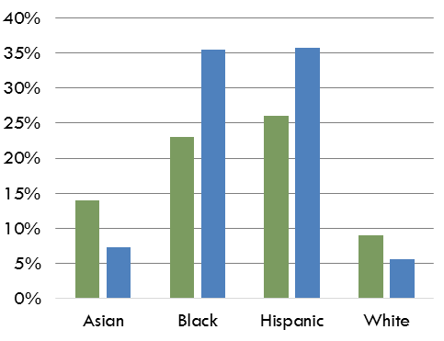
 | Not in Poverty | In Poverty | Total | % in Poverty
Asian | 13,861 | 789 | 14,650 | 5%
Black | 16,381 | 6,617 | 22,998 | 29%
Hispanic | 94,606 | 29,692 | 124,298 | 24%
Other | 9,581 | 310 | 9,891 | 3%
White | 91,062 | 4,346 | 95,408 | 5%

Source(s): Tables B17001B, B17001D, B17001H, and B17001I, Poverty Status in the Past 12 Months by Sex by Age (Black, Asian, White non-Hispanic, and Hispanic, respectively), 2015-2019 American Community Survey 5-Year Estimates
Travis County Children by Race & Ethnicity, 2015-2019
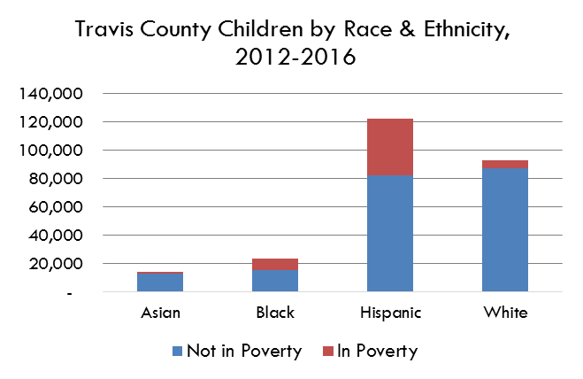

 |  | 41,754

2015
 | % poverty | % child poverty
Asian | 13% | 5%
Black | 22% | 29%
Poverty by Race & Ethnicity, Travis County, 2011-2015
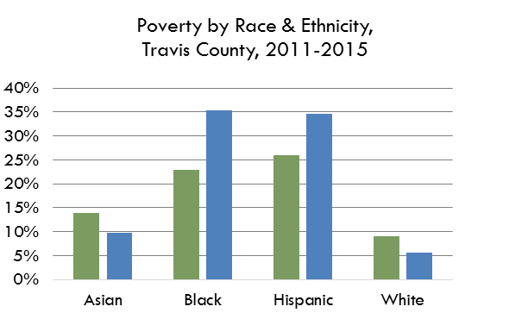
Hispanic | 24% | 24%
White | 9% | 5%

 | S1701 5-Year | B17001_ 5-Yr

