Smoking
Year | USA | USA - Lower Estimate | USA - Upper Estimate | MOE_Lower | MOE_Upper
2011 | 21%
2012 | 20%
Percent of Adults Who Are Current Smokers
2013 | 18% | 18% | 19% | 0% | 0%
2014 | 18%
2015 | 18%
2016 | 17%
2017 | 17%
2018 | 16%
2019 | 16%

Year | Texas | Texas - Lower Estimate | Texas - Upper Estimate
2007 | 19% | 18% | 20% | 1% | 1%
2008 | 19% | 17% | 20% | 1% | 1%
2009 | 18% | 17% | 19% | 1% | 2%
2010 | 16% | 15% | 17% | 1% | 1%
Extended Trend
2011 | 19% | 18% | 20% | 1% | 1%
2012 | 18% | 17% | 19% | 1% | 1%
2013 | 16% | 15% | 17% | 1% | 1%
2014 | 15% | 14% | 16% | 1% | 1%
2015 | 15% | 14% | 16% | 1% | 1%
2016 | 14% | 13% | 16% | 1% | 1%
2017 | 16% | 14% | 17% | 1% | 1%
2018 | 14% | 13% | 16% | 1% | 2%
2019 | 15% | 13% | 16% | 1% | 1%

Year | Austin MSA | MSA - Lower Estimate | MSA - Upper Estimate
2007 | 17% | 15% | 20% | 3% | 3%
2008 | 20% | 15% | 25% | 4% | 5%
2009 | 13% | 10% | 17% | 3% | 4%
2010 | 10% | 6% | 16% | 4% | 6%
2011 | 16% | 12% | 20% | 4% | 4%
2012 | 14% | 11% | 18% | 3% | 4%
2013 | 15% | 12% | 19% | 3% | 4%
2014 | 11% | 9% | 13% | 2% | 2%
Smoking Rate, 2011-2017
2015 | 14% | 11% | 17% | 3% | 3%
2016 | 14% | 12% | 18% | 3% | 3%
2017 | 13% | 10% | 16% | 3% | 3%
2018 | 11% | 9% | 13% | 2% | 3%
2019 | 11% | 9% | 14% | 2% | 2%

Year | Travis County | Travis County - Lower Estimate | Travis County - Upper Estimate

2008
2009
2010
2011 | 16% | 12% | 21% | 4% | 5%
2012 | 15% | 11% | 19% | 4% | 5%
2013 | 12% | 8% | 16% | 3% | 4%
2014 | 11% | 8% | 14% | 2% | 3%
2015 | 14% | 11% | 18% | 3% | 4%
2016 | 14% | 11% | 18% | 3% | 4%
2017 | 11% | 8% | 15% | 3% | 4%
2018 | 12% | 9% | 16% | 3% | 4%
2019 | 12%
2020
2021
2022
2023

 | USA | Texas | Austin MSA | Travis County
2011 | 21% | 19% | 16% | 16%
2012 | 20% | 18% | 14% | 15%
2013 | 18% | 16% | 15% | 12%
2014 | 18% | 15% | 11% | 11%
2015 | 18% | 15% | 14% | 14%
2016 | 17% | 14% | 14% | 14%
2017 | 17% | 16% | 13% | 11%
2018 | 16% | 14% | 11% | 12%
2019 | 16% | 15% | 11% | 12%

Percent of Adults Who are Current Smokers
Percent of Adults Who are Current Smokers
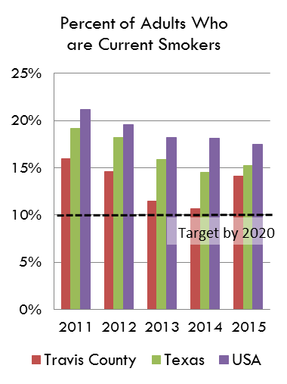
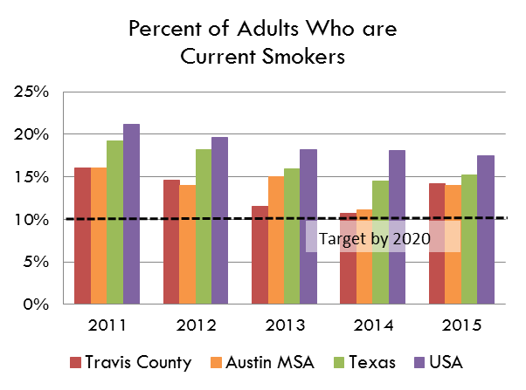
Source: Behavioral Risk Factor Surveillance System, Texas Department of State Health Services
http://healthdata.dshs.texas.gov/HealthRisks/BRFSS

