Travis County Ed. Attainment
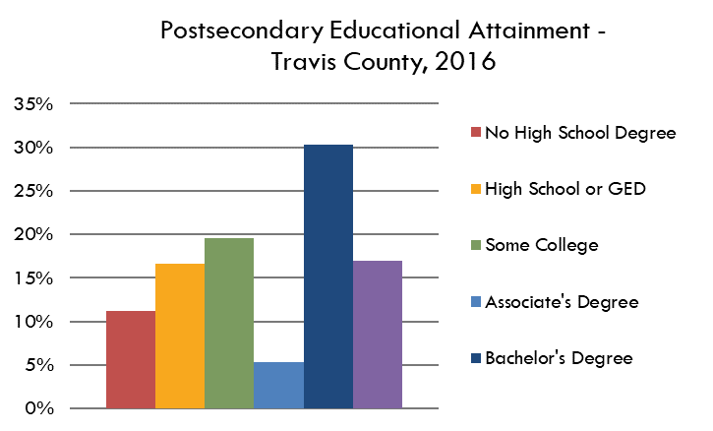
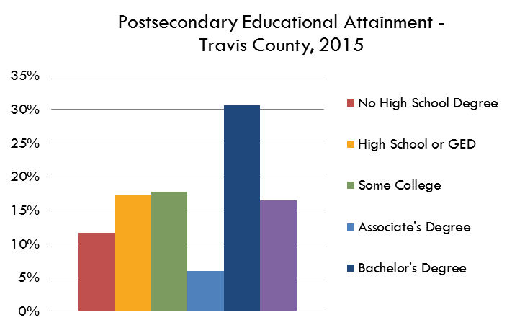
Travis County
 |  | 2008 | MOE | 2009 | MOE | MOE | 2013 | MOE | 2014 | MOE | 2015 | MOE | 2016 | MOE | 2017 | MOE | 2018 | MOE | 2019 | MOE | Percent | Percent MOE
 | Total Population 25 and Over | 629838 | 522 | 676718 | 335 | 361 | 741747 | 410 | 770,506 | 586 | 795105 | 465 | 816263 | 651 | 842298 | 312 | 863717 | 436 | 888630 | 729
 | Some High School |  |  |  |  |  |  |  |  |  | 92636 | 6000 | 91350 | 6543 | 81420 | 6158 | 92521 | 7067 | 90249 | 6761 | 10.2% | 0.8
 | High School or GED |  |  |  |  |  |  |  |  |  | 138023 | 6388 | 136023 | 6765 | 152636 | 8622 | 138749 | 7750 | 140186 | 8314 | 15.8% | 0.8
 | Some College | 125384 | 5895 | 130807 | 5680 | 6249 | 143,867 | 6,974 | 154,380 | 6902 | 141407 | 5829 | 159615 | 7721 | 141953 | 7203 | 140102 | 6813 | 139900 | 7956 | 15.7% | 0.9
 | Associate's Degree | 39272 | 3407 | 35627 | 3126 | 3826 | 39,754 | 3,451 | 42,124 | 3692 | 47314 | 3561 | 43958 | 3452 | 49744 | 4877 | 44094 | 4067 | 50924 | 5014 | 5.7% | 0.4
 | Bachelor's Degree | 167337 | 6565 | 189605 | 6975 | 8045 | 218,168 | 7,421 | 217,714 | 6307 | 243554 | 7151 | 247133 | 7783 | 266510 | 7559 | 279263 | 8501 | 289692 | 9396 | 32.6% | 1.0
 | Graduate or Professional Degree | 103586 | 4923 | 104578 | 4710 | 5794 | 122,481 | 6,113 | 133,827 | 5916 | 131371 | 6195 | 138184 | 6138 | 150035 | 5751 | 168988 | 7478 | 177679 | 8297 | 20.0% | 0.8

Postsecondary Educational Attainment - Travis County, 2019
 | Associate's, Bachelor's or Graduate | 0.49249965864 |  | 0.48736696822 |  |  | 0.51284737249 |  | 0.51091750097 |  | 0.53104810057 |  | 0.52590280339 |  | 0.55359148425 |  | 0.57003046137 |  | 0.58325174707
Source: U.S. Census Bureau, American Community Survey, 1-year estimates, Table DP02: Selected Social Characteristics
 | https://data.census.gov/cedsci/table?q=dp02&g=0500000US48453&tid=ACSDP1Y2019.DP02&hidePreview=true

Travis County Educational Attainment, 2014

 |  | Percent | MOE
 | Some High School | 10.2% | 0.80%
 | High School or GED | 15.8% | 0.83%
 | Some College | 15.7% | 0.95%
 | Associate's Degree | 5.7% | 0.42%
 | Bachelor's Degree | 32.6% | 0.95%
 | Graduate or Professional Degree | 20.0% | 0.75%

 |  | 100%

 | Associate's, Bachelor's or Graduate | 58%

